1. Title Page
Project Name: Instacart Grocery Basket Analysis
Date: 1/11/23
Analyst Name: Harris Nguyen

Contents:
Population Flow
Consistency checks
Wrangling steps
Column derivations
Visualizations
Recommendations

2. Population Flow
Title page

Population flow

Exclusion flag
Condition: max_order < 50
Obervations to be removed:
Final total count of order_products_all: 32404859

Orders_products_combined
Orders_products_merged
Orders_products_all

Total: 32404859
Total: 32434489
Total: 32404859

1.) The grey boxes in the first row of the population flow represent the original data sets as they were when you downloaded them. In the Total fields you need to add the count of the rows when you imported the data set into Jupyter.
2.) The second row of boxes (coloured) represents the data sets after you manipulated them, e.g., removed missing values and duplicates. In the Total fields you need to add the count of the rows after conducting these operations. This offers a visual oveview of how the data flows throughout the data consistency checks.
3.) The third row, where also the arrows are coloured, represents the merges you performed between the datasets. In the Total fields you need to add the count of the rows in the merged datasets, so that you end up with the final dataset (in the red box). Keep in mind the final dataset should be without exclusions (based on the exclusion flag).

3. Consistency checks
 |  |  |  | Title page
Consistency checks

Dataset | Missing values | Missing values treatment | Duplicates
orders | days_since_prior_orders has 206209 N/A values | New column were created to distinguish new customers from old ones | None
products | product_name has 16 missing values | Missing values were removed. | 5 duplicates
orders_products_prior | days_since_prior_orders has 206209 N/A values | same as above | None
customers | first_name has 11259 missing values | No changes were made. | None

4. Wrangling steps
 |  |  |  | Title page
Wrangling steps

Columns dropped | Columns renamed | Columns' type changed | Comment/Reason
first_name (from customers.csv |  | to string
eval_set(from orders.csv |  |  | column was irrevelant for the data
 | order_dow (from orders.csv |  | order_dow was renamed to orders_days_of_week
 |  | order_id and user_id to string | these ids are not numeric values. They are used to name the orders and users.
 | First_Name to first_name
 | surnam to last_name
 | Gender to gender
 | STATE to state
 | Age to age
 | n_dependants to no_dependants
 | fam_status to marital_status

5. Column derivations
 |  |  |  | Title page

Column derivations and aggregations

In this tab you should add tables below that the frequences of flags/label variables that you produced after deriving them. NB: don't do this for continuous variables, only for flags.
Dataset | New column | Column/s it was derived from | Conditions
orders_products_merged.pkl | price_range_loc | prices | if prices <= $5, then 'low-range product'. If prices > $5 and <$15, then 'mid-range product'. If price >$15, then 'high-range product
orders_products_merged.pkl | busiest_days | orders_days_of_week | if day = 0 or day =1, then 'busiest days'. If day = 3 or day = 4, then 'slowest days'. Else, 'regularly busy days'
orders_products_merged.pkl | busiest_period_of_day | order_hour_of_day | if hour from 10 - 16, then 'most orders'. If hour from 0 - 6, then 'fewest orders'. Else, 'average orders'
 | loyalty_flag | max_order | if max_order > 40, then 'loyal customer'. If max order <=40 and >=10, then 'regular customer'. If max order < 10, then 'new customer'.
 | spending_flag | average_price | if avg price > 10, then 'high spender'. If avg price <= 10, then 'low spender'
 | median_days_since_prior_order | days_since_prior_order | if median days > 20, then 'non-frequent customer'. If median days <=20 and > 10, then 'regular customer'. If median days <=10, then 'frequent customer'
 | regions | states | separated each states into different regions: North East, Midwest, South, West
 | activity_flag | max_order | if max_order < 5, then 'low_activity_customer'. If max_order >= 5, then 'high_activity_customer'.
 | age_group | age | if age <=35, then 'young_adult'. If age > 35 and <60 , then 'middle-aged adult'. If age >=60 , then 'old adult'.
 | income_group | income | if income <=100000, then 'low income'. If income >= 100000 and <=400000, then 'middle income'. If income > 400000, then 'high income'
 | baby_status | department_id | if department_id = 18, then 'yes'. If department_id != 18, then 'no'
 | department | department_id | mapping department with department id
 | household_size | no_dependants | if no_dependants = 0, then 'single household'. If no_dependants <=2 and > 0 , then 'small household'. If no_dependants <=3 and > 2, then 'large household'.

6. Visualizations
 |  |  |  |  |  |  |  |  |  |  |  |  | Title page

Visualisations

In this tab you should include all the visualtions from Exercises 4.9 and 4.10, alongside the questions from the project brief that they answer. Include any commentary on the relationship between different variables.

What are the busiest days of the week and hours of the day?





 |  |  |  | days of the week

 | This bar graph shows that Saturday and Sunday are the busiest days of the week.
 |  |  |  |  |  |  |  |  |  |  |  |  | This histogram shows the number of orders based on the hour of the day.
 |  |  |  |  |  |  |  |  |  |  |  |  | We can see that orders gradually increase from 5 to 10 am and decrease after 3 - 4 pm.

 | What are the particular times of the day when people spend the most money?



 |  |  |  |  |  |  |  |  |  |  |  | From this chart, we can see that the customers spends the most money during 2am to 7am.
 |  |  |  |  |  |  |  |  |  |  |  | The amount of money spent on orders decreases afterwards but gradaully goes back up after 12pm.

 | What's the distribution among users in regards to their brand loyalty?


 |  |  |  |  |  |  |  |  |  |  | Regular customers place more orders compared to loyal and new customers.

 |  | Regular customer |  |  | Loyal customer |  |  | New customer
 |  |  |  |  | Customers based on household size |  |  |  |  |  |  |  |  |  | Customers based on household size and days of week
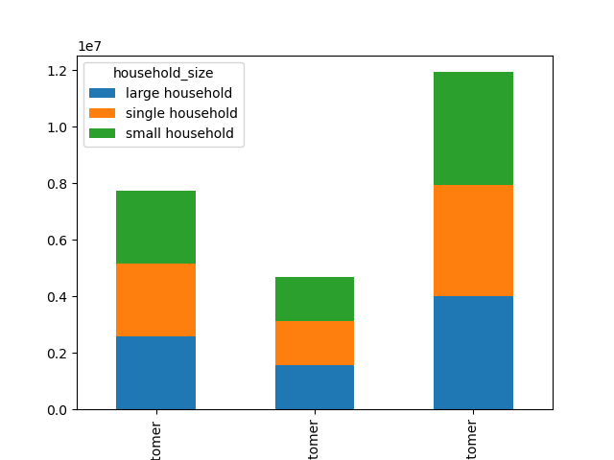
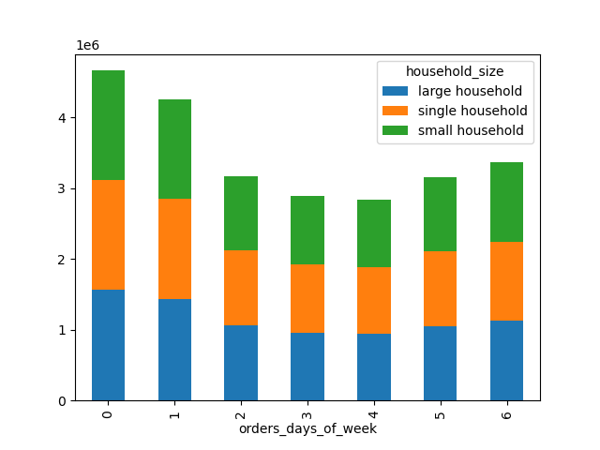

 |  |  |  | Loyal customer |  | New customer |  |  | Regular customer
 |  |  |  |  |  |  |  |  |  |  |  |  |  | When it comes to distribution of orders among household size,
 |  |  | Regular customers make up the majority of customers, just like in the bar chart shown above. |  |  |  |  |  |  |  |  |  |  | each household size share around the same number of orders for each day.
 |  |  | We also learn that large, single, and small households make up around the same amount of total orders
 |  |  | within the loyalty groups.

 |  |  |  |  |  | Customers by age group

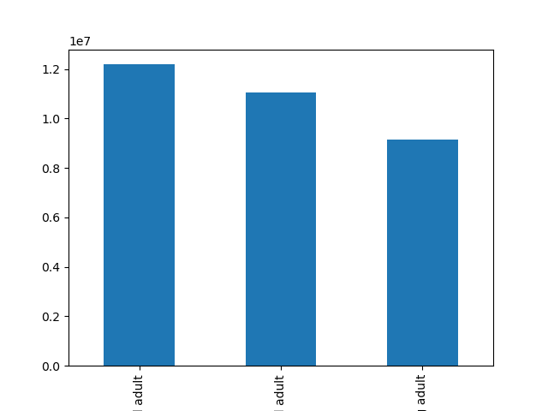
 |  |  |  |  |  |  |  |  |  |  |  |  |  |  |  | Customers by income
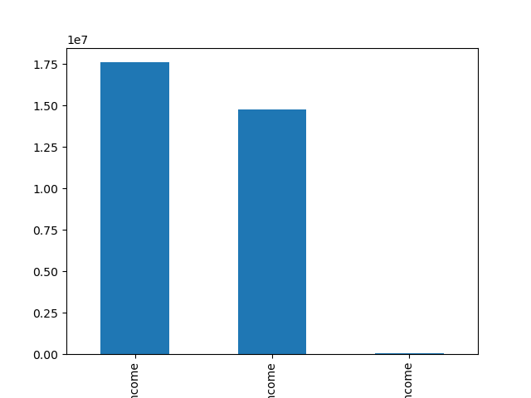

 |  |  |  |  | Middle-aged adult |  | Old adult |  |  | Young adult

 |  |  | Middle-aged adults make up the largest age group of customers. |  |  |  |  |  |  |  |  |  |  |  |  | Low income | Middle income |  | High income

 |  |  |  |  |  |  |  |  |  |  |  |  |  |  | People with low income make more purchases than other income groups.
 |  |  |  | Shopping hours for household size
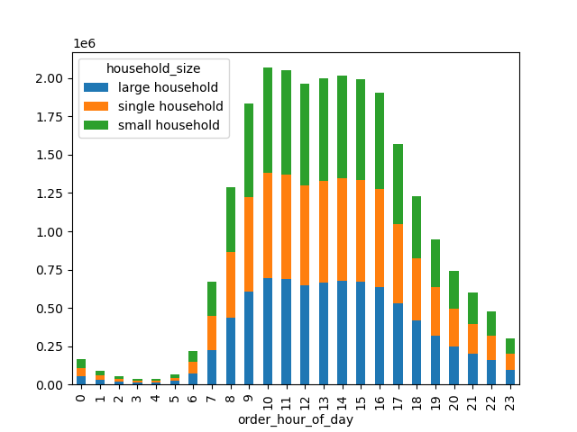

 |  |  | There is not much difference between the number of orders among the household sizes.

 |  | Which department have the highest frequency of product orders?

 |  |  |  | Orders from households by department |  |  |  |  |  |  |  |  |  |  |  | Orders from babies department

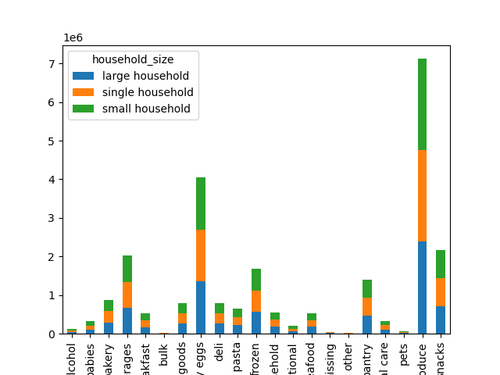
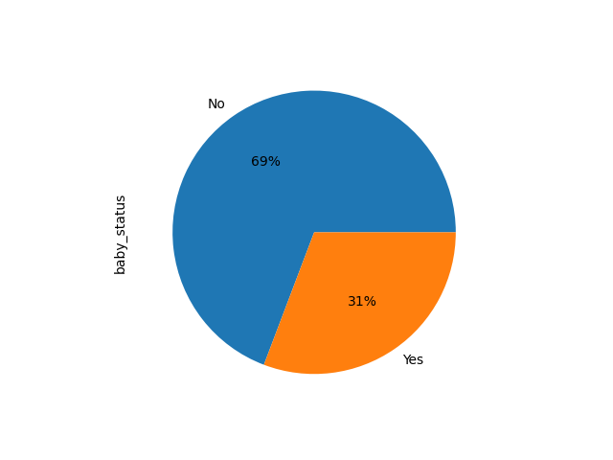

 |  |  |  |  |  |  |  |  |  |  |  |  |  |  | 31% of orders fall under the babies department.
 |  |  | All households have similar amount of orders within each department.

 |  | Are there differences in ordering habits based on a customer's region?

 |  |  |  |  | Customers income by region |  |  |  |  |  |  |  |  |  |  | Household size by region
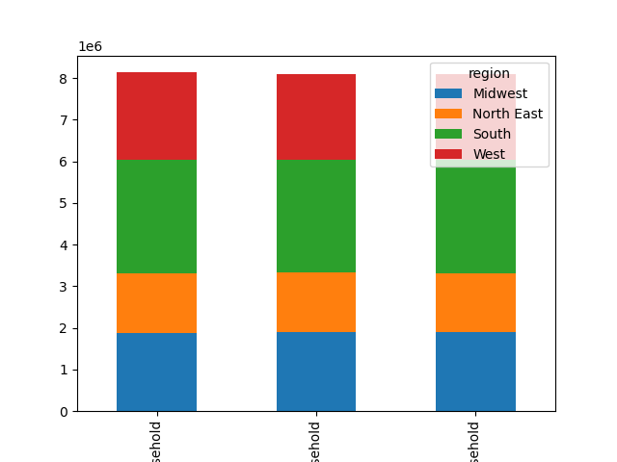
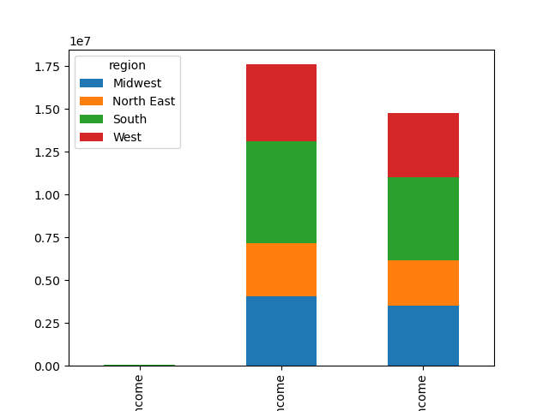

 |  |  |  | High income |  | Low income |  |  | Middle income |  |  |  |  |  | Large household |  | Single household | Small household

 |  |  | Orders from region by department

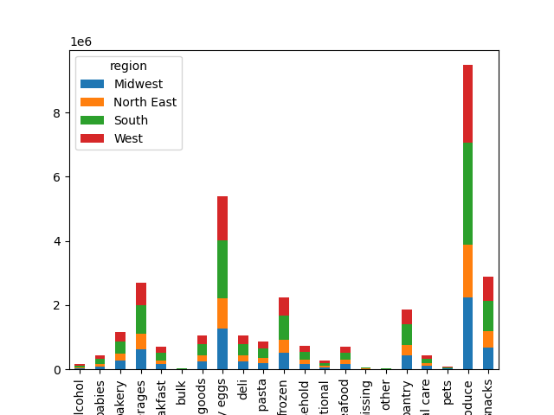

 |  |  | Majority of orders are from the produce and dairy eggs departments.
 |  |  | For both of these departments, the Southern region made up for most of the customers.

7. Recommendations
 |  |  |  |  |  |  |  |  |  | Title page

Recommendations

In this tab you should include any recommendations you would made to Instcart in terms of their marketing strategy based on the questions posed in the brief. Every key question has been covered in the Tasks of the Exercises - here you need to add an item - a visualisation or table/crosstable that is showing the answer in the data, acompanied by a comment from you. Please, list the questions below and add the answer underneath.

What are the busiest days of the week and hours of the day?

 | The busiest days of the week are Saturday and Sunday and the busiest hours of the day are between 9 am to 4pm.
 | The best days and times to schedule ads would be the weekdays before 9am and after 5pm since there are fewer orders.

 | What are the particular times of the day when people spend the most money?

 |  |  |  |  |  |  |  | People spend the most money around 3-7am and 4- 10pm.

 | Which department have the highest frequency of product orders?

 |  |  |  |  |  |  |  | The dairy eggs and produce deparments have the highest frequency of product orders.

 | What's the distribution among users in regards to their brand loyalty?

 |  |  |  |  |  |  |  | Regular customers place more orders compared to loyal and new customers.

 | What's the distribution among users in regards to their brand loyalty?
 | Are there differences between

 |  | Regular customer |  | Loyal customer |  | New customer

 | Are there differences in ordering habits based on a customer's loyalty status?

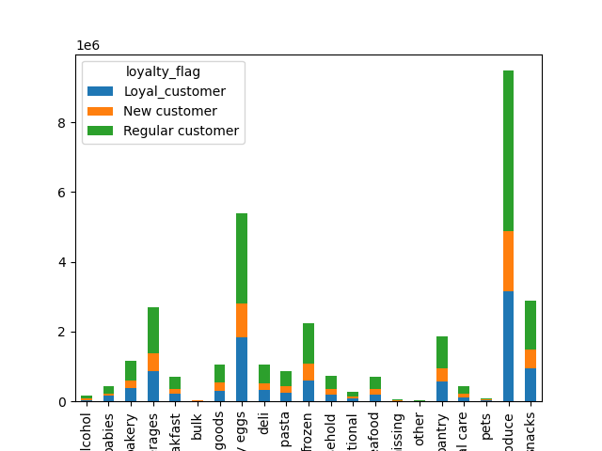

 |  |  |  |  |  |  | In most of the departments, regular customers tend to order more than new and loyal customers.

 | Are there differences in ordering habits based on a customer's region?

 |  |  |  |  |  |  |  |  | Customers from the Southern and Western regions tend to order more
 |  |  |  |  |  |  |  |  | than the other regions in almost all of the departments.

 | Is there a connection between age and family status in terms of ordering habits?

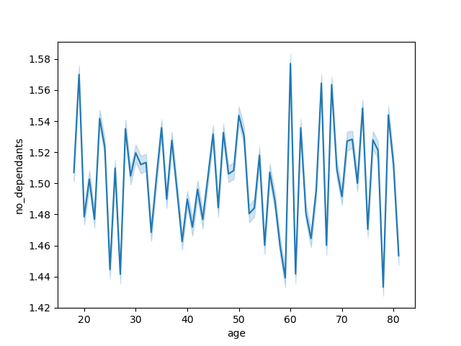

 |  |  |  |  |  |  |  |  | There is no connection between age and family status in terms of ordering habits.

 | What differences can you find in ordering habits of different customer profiles?

 |  | Shopping hours for household size |  |  |  |  |  |  |  |  |  | Customers by income

 |  |  |  |  |  |  |  |  |  |  | Low income |  | Middle income | High income
 | There is not much difference between the number of orders among the household sizes.

 |  |  |  |  |  |  |  |  | People with low income make more purchases than other income groups.

 |  | Customers by age group |  |  |  |  |  |  |  | Customers based on household size and days of week

 | Middle age |  | Old |  | Young

Middle-aged adults make up the largest age group of customers.

 |  |  |  |  |  |  |  |  |  | When it comes to distribution of orders among household size,
 |  |  |  |  |  |  |  |  |  | each household size share around the same number of orders for each day.

